Introduction
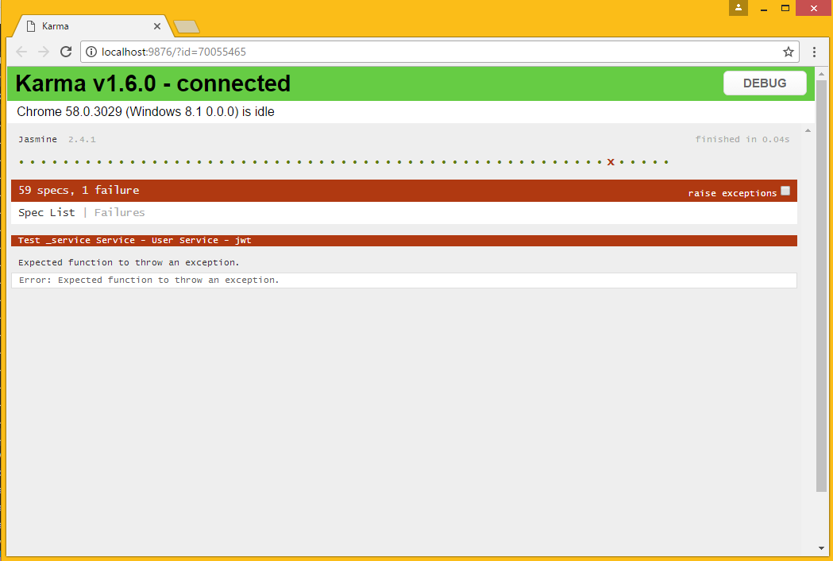
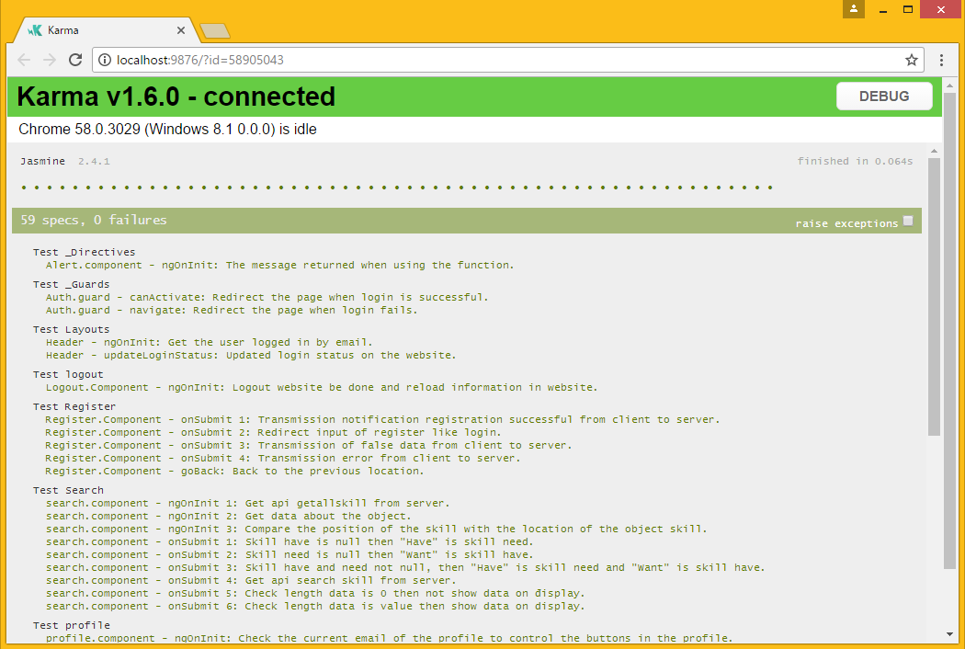
 |  |  | REPORT UNIT TEST
Date: | 23/1/2017
Author: | TaiNguyen
Date update | 5/26/2017
Sprint | 1

 | Rule name file | UT + name folder test.spec.ts
 | Rule name testcase | Name file test - jaw test

Summary
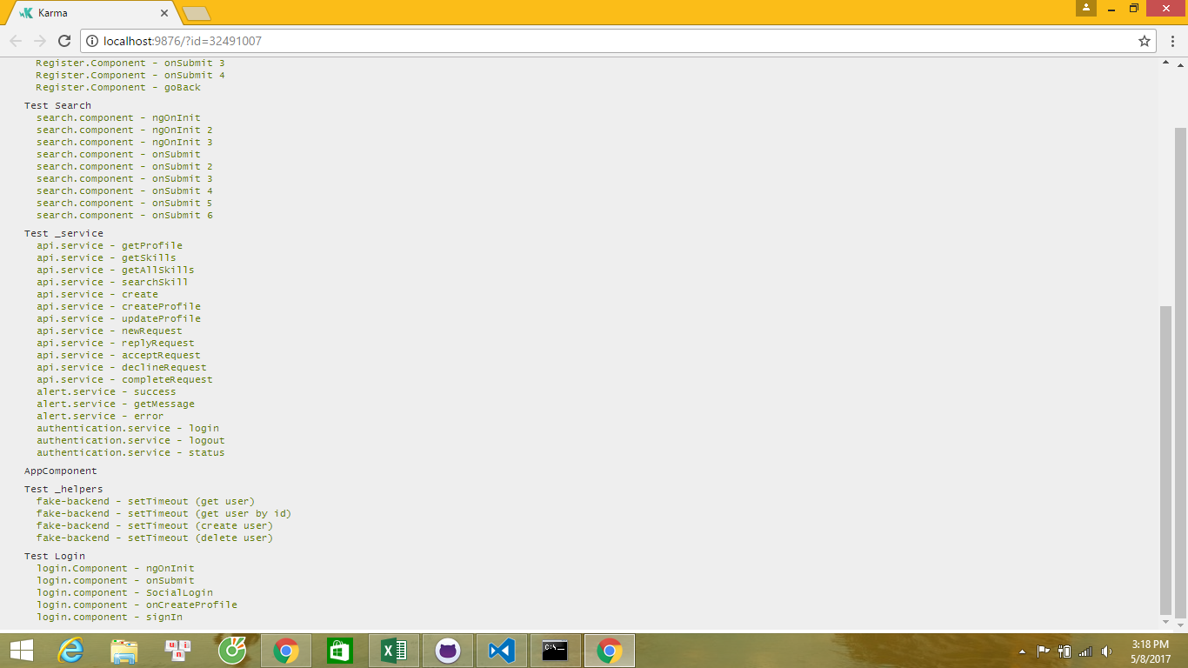
 |  |  |  | SUMMARY

Sprint 1
USER

Number | Name Folder | Test V2
 |  | Pass | Fail
1 | _Directives | 1 | 0
2 | _Guards | 1 | 1
3 | Layouts | 1 | 1
4 | Logout | 1 | 0
10 | Login | 3 | 2
Total : |  | 7 | 4

 |  |  |  |  | Pass | Fail

